1. Title Page
[Instacart Grocery Basket Analysis]

Project Name: Instacart Grocery Basket Analysis
Date: October 2022
Analyst Name: Josepa Cusidó

Contents:
Population Flow
Consistency checks
Wrangling steps
Column derivations
Visualizations
Recommendations

2. Population Flow
 | Title page

Population flow

Exclusion flag
Condition: max_order <
Obervations to be removed:
Final total count of order_products_all:

Orders_products_combined
Orders_products_merged
Orders_products_all
Disclaimer: for memory purposes I had to create a subsett with the 50% of the Dataset only.,
Total: 30328763
Total: 30356421
Total: 13635620

1.) The grey boxes in the first row of the population flow represent the original data sets as they were when you downloaded them. In the Total fields you need to add the count of the rows when you imported the data set into Jupyter.
2.) The second row of boxes (coloured) represents the data sets after you manipulated them, e.g., removed missing values and duplicates. In the Total fields you need to add the count of the rows after conducting these operations. This offers a visual oveview of how the data flows throughout the data consistency checks.
3.) The third row, where also the arrows are coloured, represents the merges you performed between the datasets. In the Total fields you need to add the count of the rows in the merged datasets, so that you end up with the final dataset (in the red box). Keep in mind the final dataset should be without exclusions (based on the exclusion flag).

3. Consistency checks
 |  |  |  | Title page
Consistency checks

Dataset | Missing values | Missing values treatment | Duplicates
orders | in the column days_since_prior_order: 206209 | New df without the missing values, since they were only the 6% of the dataset | There were no duplicates
products | in the column product name: 16 | New df without the missing values | 5
orders_products_prior | No missing values |  | No duplicates
customers | First Name: 11259 | Not relevant, the column was later deleted | No duplicates
Orders_and_Products_merged | Marking outliers as missing values

4. Wrangling steps
Wrangling steps

Columns dropped | Comment/Reason | Columns renamed | Comment/Reason | Columns' type changed | Comment/Reason
eval_set | Not relevant data | order_dow | readability | order_id | to string
Unnamed: 0.1 | Provisional column | order_hour_of_day | readability | user_id | to string
Unnamed: 0 | Provisional column | Surnam | typo/ incorrect name | order_id | int32 (spare memory)
_merge | Provisional column | STATE | readability | order_number | int8 ( (spare memory)
First Name | Data protection |  |  | orders_day_of_week | int8 (spare memory)
Last Name | Data protection |  |  | order_time | int8 (spare memory)
 |  |  |  | days_since_prior_order | float16 (spare memory)
 |  |  |  | Age | int32 (spare memory)
 |  |  |  | Income | int32 (spare memory)
 |  |  |  | prices | float16 (spare memory)
 |  |  |  | product_id | int32 (spare memory)
 |  |  |  | n_dependants | int32 (spare memory)

5. Column derivations
 |  |  |  | Title page

Column derivations and aggregations

Dataset | New column | Column/s it was derived from | Conditions
Orders and Products merged | busiest_day | orders_day_of_week | Value 0 - Busiest day, Value 4 - Least busy, Others - regularly busy
Orders and Products merged | busiest_days | orders_day_of_week | Value 0 and 1 - Busiest days, Value 4 and 3 - Least busiest, Others - regularly busy
Orders and Products merged | busiest_period_of_day | order_time | Value >= 9 and <=16 - most orders, value >=0 and value <=6 - fewest orders, others - average orders
Orders_and_Products_merged | max_order | order_number | groupby user_id
Orders_and_Products_merged | Loyalty flag | max_order | > 40 - Loyal customer, <= 40 - >10 - regular customer, <=10 - new customer
Orders_and_Products_merged | mean_prices | prices | groupby user_id and prices
Orders_and_Products_merged | spending_flag | mean_prices | < 10 low spender, > 10 high spender
Orders_and_Products_merged | frecuency_flag | user_id, days_since_prior_order | >20 - non frequent customer, <=20 & >10 - regular customer, <=10 - frequent customer
Orders_Products_Customers | region | US State | Northeast, Midwest, South, West
Orders_Products_Customers | age_group | Age | <=35 - young, <=60 - >35 - middle, >60 - older
Orders_Products_Customers | income_group | Income | <=60000 - low income, <160000 & >60000 - middle income, >=160000 - high income
Orders_Products_Customers | department | department_id | value 5 = alcohol, value 12 = meat_fish, value18 = babies, value 8 = pets
Orders_Products_Customers | dependant_group | n_dependants | >0 - has dependents, ==0 - no dependents

6. Visualizations
Visualisations

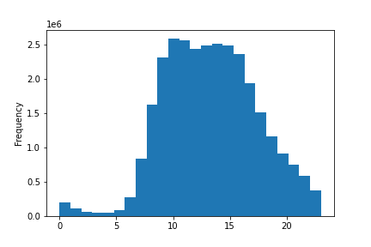
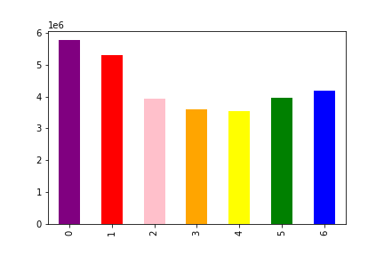
1. Busiest days of the week and hours of the day: The sales team needs to know what the busiest days of the week and hours of the day are (i.e., the days and times with the most orders) in order to schedule ads at times when there are fewer orders.
 |  | DAYS |  |  |  | HOURS
 |  |  |  |  |  |  |  | The busiest hours of the day are Saturday and Sunday and the busiest hours from 9h to 18h.

 |  |  | 0 = Saturday
 |  |  | 1 = Sunday
 |  |  | 2 = Monday
 |  |  | 3 = Tuesday
 |  |  | 4 = Wednesday
 |  |  | 5 = Thursday
 |  |  | 6 = Friday

The bar chart shows the the number of orders each day of the week.

 |  |  |  | This histogram shows the number of orders each hour of the day.

2. Times of the day and prices: They also want to know whether there are particular times of the day when people spend the most money, as this might inform the type of products they advertise at these times.

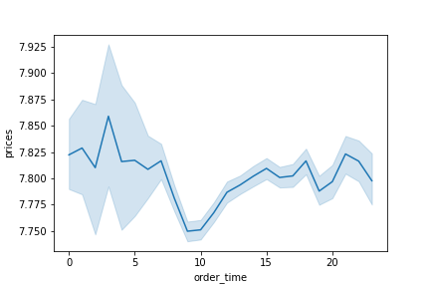

This line chart shows the average price of the products purchased each hour of the day

3. Products and price tags: Instacart has a lot of products with different price tags. Marketing and sales want to use simpler price range groupings to help direct their efforts.

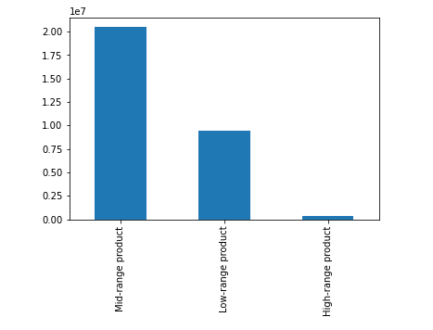
 |  |  |  | This bar chart shows us that most of the products sold belong to the mid-range product.

We grouped the products into price range groups as follows. <= 5$ for low-range products between >5 and <= 15 for mid-range products > 15 for high range products

4. Popularity of products. Are there certain types of products that are more popular than others? The marketing and sales teams want to know which departments have the highest frequency of product orders.
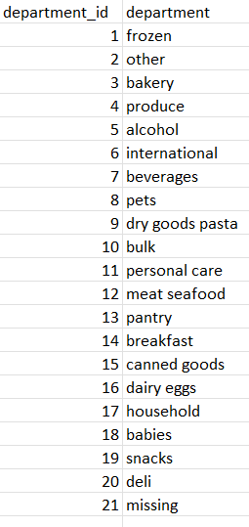
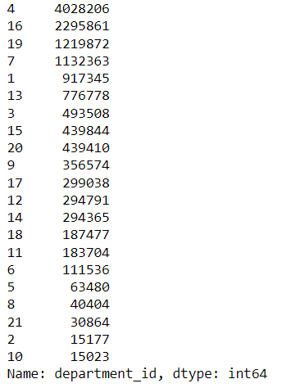

5. What’s the distribution among users in regards to their brand loyalty (i.e., how often do they return to Instacart)?

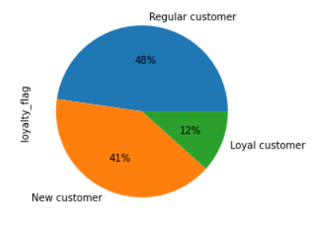
 |  |  |  | There is a 12%of loyal customers, a 41% of newcustomers and a 48% of regular customers.

6. Are there differences in ordering habits based on a customer’s loyalty status?

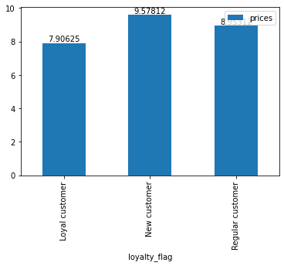
 |  |  |  |  | New customers spend a higher average of money compared to loyal and regular customers.

7. Are there differences in ordering habits based on a customer’s region?

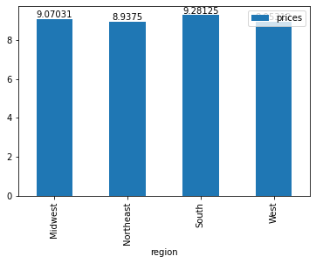
 |  |  |  |  | The Midwest and the South spend more money per order.

8. Is there a connection between age and family status in terms of ordering habits?

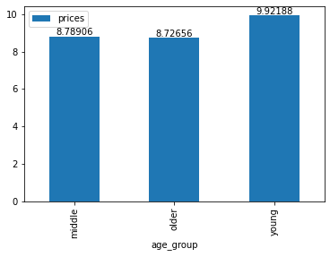
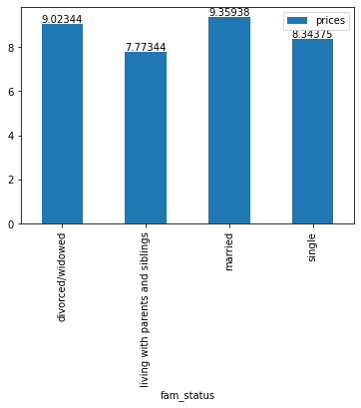
 |  |  |  |  |  |  |  |  |  | Married people spend more money per order.

 | Young people spend more money per order.

9. What different classifications does the demographic information suggest? Age? Income? Certain types of goods? Family status?

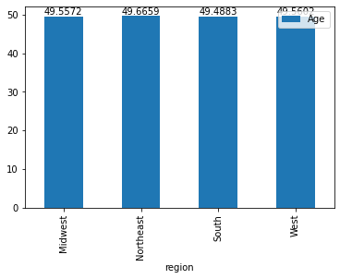
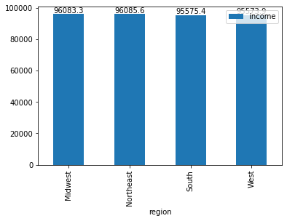
 |  |  |  |  |  |  |  |  | Tables (in percentages)

 |  |  |  |  |  |  |  |  | Most of the clients in all regions are married.
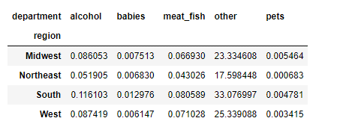

 | The age average is very similar in all three regions |  |  |  |  |  | The income average is higher in the Midwest and the Northeast but the Midwest and the South spend more money per order.

 |  |  |  |  |  |  |  |  | Alcohol, babies, meat & fish products are more popular in the south. Specially alcohol goods. Pet products are more popular in the Midwest.

10. What differences can you find in ordering habits of different customer profiles? Consider the price of orders, the frequency of orders, the products customers are ordering, and anything else you can think of.

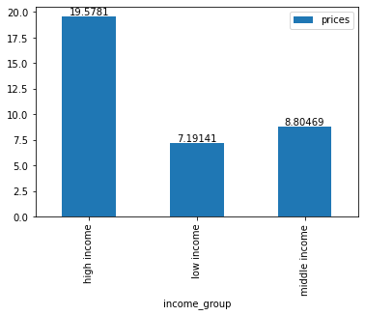
 |  |  |  |  |  |  | Customers with a higher income spend more money on average per product.

7. Recommendations
 |  | Title page

Recommendations

1. The sales team needs to know what the busiest days of the week and hours of the day are (i.e., the days and times with the most orders) in order to schedule ads at times when there are fewer orders.
 | I would recommend scheduling adds from Sunday to Thursday and from 18h to 23h
2. They also want to know whether there are particular times of the day when people spend the most money, as this might inform the type of products they advertise at these times.
 | There is no particular time when people spend the most money. However, the times with more orders are from 9h to 17h. I would encourage analyzing which type of products are sold at what time.
3. Instacart has a lot of products with different price tags. Marketing and sales want to use simpler price range groupings to help direct their efforts.
 | I would recommend grouping the produts into price range groups as follows: until 5$ for low-range products, between5-15 for mid-range products, and above 15for high range products
4. Are there certain types of products that are more popular than others? The marketing and sales teams want to know which departments have the highest frequency of product orders.
 | The most popular products are in the following departments: produce (4), dairy eggs (16), snacks (19), beverages (7) and frozen (1)
5. What’s the distribution among users in regards to their brand loyalty (i.e., how often do they return to Instacart)?
 | There is a 12%of loyal customers, a 41% of new customers and a 48% of regular customers. I would suggest analizing the characteristics of the loyal customers and finding potential loyal customers amongt the new customers.
6. Are there differences in ordering habits based on a customer’s loyalty status?
 | New customers spend a higher average of money compared to loyal and regular customers. How can the company attract more new customers? I would suggest focused advertising during the hours of more demand.
7. Are there differences in ordering habits based on a customer’s region?
 | The Midwest and the South spend more money per order. I would suggest analizing the habits of each region separately and the most popular products in each region. Is there maybe an explanation related to sociological factors, the climate, etc.?
8. Is there a connection between age and family status in terms of ordering habits?
 | Married and young people spend more money per order. I would also suggest a further analisis ofthe behaviour of this group and offers targeted at them.
9. What different classifications does the demographic information suggest? Age? Income? Certain types of goods? Family status?
 | According to our data, the regions with a higher income are not always the ones that spend more money on average per order. There average age is similar in all four regions.
 | Alcohol, babies, meat & fish products are more popular in the south. Specially alcohol goods. Pet products are more popular in the Midwest.
 | Most of the clients in all regions are married.
10. What differences can you find in ordering habits of different customer profiles? Consider the price of orders, the frequency of orders, the products customers are ordering, and anything else you can think of.
 | New customers spend a higher average of money compared to loyal and regular customers.
 | Customers with a higher income spend more money on average per product.

